Data Wrangling
Data Wrangling

23 variables | 1556969 observations | Transfermarkt
*variable counts exclude index column

Dataframe is Reduced to include most relevant players for the last 5 years
23 variables | 522583 observations | Recent_big5

 |  | Missing Data deleted
 |  |  |  | Missing values to be deleted - they form less than 5% of the dataframe
 |  |  |  | 1. If a player does not have a Market Value attached to his profile, he is not likley to be playing in the Big 5 league
 |  |  |  | 2. Appearances for which a club_name or domestic_competition_id is missing seems to be for amateur leagues and can be disregarded
23 variables | 521278 observations | Recent_big5 |  | 3. Players for which ages where missing had a market value of 70000 or less and could be deleted without impacting analysis
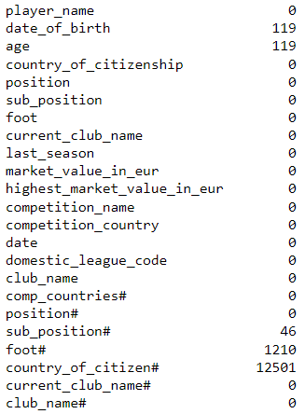
 |  | Missing Data deleted |  | 4. Missing foot values seemed to belong to payers who are either young and minimum market value or old and not hasn´t moved clubs in the past 5 years
 |  |  |  | 5. Missing data was imputed with ´nan´for 'country_of citizen#

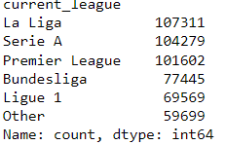
 |  | Deleted Variables | appearance_id','club_id','current_club_id','competition_id','domestic_competition_id','confederation', 'is_major_national_league'
 |  | New Variables | 'age', 'country_of_citizen#','position#', 'sub_position#', 'foot#','current_club_name#', 'comp_countries#', 'club_name#'
24 variables | 519905 observations | Wrangled Big5
 |  | New Variables | current_club_country', 'current_league'
 |  | Excluded Records | Excluded records in 'current_league == ´´other'
26 variables | 406206 observations | big5leagues

